Bug Report New customer Module
Defect Report |  | Defect Report |  | Defect Report |  | Defect Report |  | Defect Report |  | Defect Report |  | Defect Report |  | Defect Report |  | Defect Report |  | Defect Report |  | Defect Report |  | Defect Report |  | Defect Report |  | Defect Report |  | Defect Report |  | Defect Report |  | Defect Report

Release | V1.0 | Release | V1.0 | Release | V1.0 | Release | V1.0 | Release | V1.0 | Release | V1.0 | Release | V1.0 | Release | V1.0 | Release | V1.0 | Release | V1.0 | Release | V1.0 | Release | V1.0 | Release | V1.0 | Release | V1.0 | Release | V1.0 | Release | V1.0 | Release | V1.0
Title | Verifing correct data input in the New customer Module (Manager) | Title | Verify name field in the New customer Module (Manager) | Title | Verify name field in New customer Module | Title | Verify Address field in New customer Module | Title | Verify Address field | Title | Verify Address field | Title | Verify Address field | Title | Verify Address field | Title | Verify City field | Title | Verify State field | Title | Verify PIN field | Title | Verify Telephone Number field | Title | Verify Telephone Number field | Title | Verify Email field | Title | Verify Email field | Title | Verify Address type bar | Title | Pressing the home button
Description | Entering all customer's information in the New customer module with the correct formate and clicking on submit should go through without errors | Description | A valid name without number, special characters, blank or first character with space should go through Name Entered: Mohamed Yosry | Description | A name with first character blank shouldn't go through | Description | A blank address shouldn't go through Data: 1-First name: Mohamed 3-Gender: male 4-date of birth: 6/19/1999 5-Address: <keep empty> 6-City: Portage 7-State: Michigan 8-PIN:123456 9-Telephone number:5555551234 10-Email: test1@gmail.com | Description | Address with first character blank shouldn't go through | Description | special characters only shouldn't go through | Description | Address with a special character shouldn't go through | Description | numbers only shouldn't go through | Description | City field with first character blank shouldn't go through | Description | A state with first character blank shouldn't go through | Description | A PIN with first character blank shouldn't go through shouldn't go through | Description | A Telephone Number with first character blank shouldn't go through | Description | Telephone number can't be more than 10 digits | Description | Email with first character blank shouldn't go through | Description | Email with incorrect formate shouldn't go through Data: 1-First name: Mohamed 3-Gender: male 4-date of birth: 6/19/1999 5-Address: 1313 E Main St, Portage MI 49024 6-City: Portage 7-State: Michigan 8-PIN:123456 9-Telephone number:5555551234 10-Email: test1@gmail.co , test1gmail.com , test1@gmai.com , test1@gmai.co , .test1@gmail.com , test1.@gmail.com , test1..@gmail.com , test@test@gmail.com | Description | Pressing on the little tab at the bottom right corner of the date of birth should increase the size of the square of the address | Description | Pressing the home button at the bottom right corner should take you to the home page
Steps | 1-Enter a correct name formate 2-Choose a gender 3-Choose a date of birth 4-Enter a correct address formate 5-Enter a correct city formate 6-Enter a correct state formate 7-Enter a correct PIN formate 8-Enter a correct Telephone number formate 9-Enter a correct email formate 10-Press on submit button | Steps | 1-Enter a correct name formate 2-Choose a gender 3-Choose a date of birth 4-Enter a correct address formate 5-Enter a correct city formate 6-Enter a correct state formate 7-Enter a correct PIN formate 8-Enter a correct Telephone number formate 9-Enter a correct email formate 10-Press on submit button | Steps | 1-Enter first character blank then a name 2-Choose a gender 3-Choose a date of birth 4-Enter a correct address formate 5-Enter a correct city formate 6-Enter a correct state formate 7-Enter a correct PIN formate 8-Enter a correct Telephone number formate 9-Enter a correct email formate 10-Press on submit button | Steps | 1-Enter a correct name formate 2-Choose a gender 3-Choose a date of birth 4-Enter a blank address 5-Enter a correct city formate 6-Enter a correct state formate 7-Enter a correct PIN formate 8-Enter a correct Telephone number formate 9-Enter a correct email formate 10-Press on submit button | Steps | 1-Enter a correct name formate 2-Choose a gender 3-Choose a date of birth 4-Enter address but with first character blank 5-Enter a correct city formate 6-Enter a correct state formate 7-Enter a correct PIN formate 8-Enter a correct Telephone number formate 9-Enter a correct email formate 10-Press on submit button | Steps | 1-Enter a correct name formate 2-Choose a gender 3-Choose a date of birth 4-Enter address with special character only 5-Enter a correct city formate 6-Enter a correct state formate 7-Enter a correct PIN formate 8-Enter a correct Telephone number formate 9-Enter a correct email formate 10-Press on submit button | Steps | 1-Enter a correct name formate 2-Choose a gender 3-Choose a date of birth 4-Enter address that has special character between it 5-Enter a correct city formate 6-Enter a correct state formate 7-Enter a correct PIN formate 8-Enter a correct Telephone number formate 9-Enter a correct email formate 10-Press on submit button | Steps | 1-Enter a correct name formate 2-Choose a gender 3-Choose a date of birth 4-Enter address that has numbers only 5-Enter a correct city formate 6-Enter a correct state formate 7-Enter a correct PIN formate 8-Enter a correct Telephone number formate 9-Enter a correct email formate 10-Press on submit button | Steps | 1-Enter a correct name formate 2-Choose a gender 3-Choose a date of birth 4-Enter a correct address formate 5-Enter the first character blank in city 6-Enter a correct state formate 7-Enter a correct PIN formate 8-Enter a correct Telephone number formate 9-Enter a correct email formate 10-Press on submit button | Steps | 1-Enter a correct name formate 2-Choose a gender 3-Choose a date of birth 4-Enter a correct address formate 5-Enter a correct city formate 6-Enter state with first character blank 7-Enter a correct PIN formate 8-Enter a correct Telephone number formate 9-Enter a correct email formate 10-Press on submit button | Steps | 1-Enter a correct name formate 2-Choose a gender 3-Choose a date of birth 4-Enter a correct address formate 5-Enter a correct city formate 6-Enter a correct state formate 7-Enter a PIN with first character blank 8-Enter a correct Telephone number formate 9-Enter a correct email formate 10-Press on submit button | Steps | 1-Enter a correct name formate 2-Choose a gender 3-Choose a date of birth 4-Enter a correct address formate 5-Enter a correct city formate 6-Enter a correct state formate 7-Enter a correct PIN formate 8-Enter a Telephone number with first character blank 9-Enter a correct email formate 10-Press on submit button | Steps | 1-Enter a correct name formate 2-Choose a gender 3-Choose a date of birth 4-Enter a correct address formate 5-Enter a correct city formate 6-Enter a correct state formate 7-Enter a correct PIN formate 8-Enter a Telephone number that is more than 10 digits 9-Enter a correct email formate 10-Press on submit button | Steps | 1-Enter a correct name formate 2-Choose a gender 3-Choose a date of birth 4-Enter a correct address formate 5-Enter a correct city formate 6-Enter a correct state formate 7-Enter a correct PIN formate 8-Enter a correct Telephone number formate 9-Enter email with first character blank 10-Press on submit button | Steps | 1-Enter a correct name formate 2-Choose a gender 3-Choose a date of birth 4-Enter a correct address formate 5-Enter a correct city formate 6-Enter a correct state formate 7-Enter a correct PIN formate 8-Enter a correct Telephone number formate 9-Enter email with incorrect formate 10-Press on submit button | Steps | 1-Enter an address 2-Drag the little tab at the bottom right corner of the address field to the end of the page to see how far down it goes | Steps | 1-Login as a manager 2-Press on the "Home" button at the bottom right corner
Expected Results | It should go through fine and add the customer to the database | Expected Results | It should go through fine and add the customer to the database | Expected Results | It should display an error message that says "First character can't be blank" | Expected Results | It should display an error message that says "Address can not be empty" | Expected Results | It should display an error message that says "Address can't have first character empty" | Expected Results | It should display an error message that says "Address can't have special characters" | Expected Results | It should display an error message that says "Address can't have special characters, be empty or have first character empty" | Expected Results | It should display an error message that says "Address can't have special characters, be empty or have first character empty" | Expected Results | It should display an error message that says "City field can't have special characters, numbers, be empty or have the first character empty" | Expected Results | It should display an error message that says "can’t have first character blank" | Expected Results | It should display an error message that says "First character can not be empty" | Expected Results | It should display an error message that says "First character can not be empty" | Expected Results | It should display an error message that says "Telephone numbers can't be more than 10 digits" | Expected Results | It should display an error message that says "Enter a valid Email" | Expected Results | It should display an error message that says "Email is not valid" | Expected Results | Should expand the address field without breaking down the UI of the page or overlapping the text below it | Expected Results | should take you to the home page
Actual Result | Displays an error message"Connection failed: Access denied for user 'root'@'localhost' (using password: NO)" | Actual Result | When ever you add space between the first and last name it displays an error saying "Numbers are not allowed" | Actual Result | displayed an error message that says "Numbers are not allowed" in the name field instead of "First character can't be blank" so it treats spaces as numbers | Actual Result | It didn't display any error message and went through | Actual Result | It didn't display any error message and went through | Actual Result | It didn't display any error message and went through | Actual Result | It didn't display any error message and went through | Actual Result | It didn't display any error message and went through | Actual Result | Showed error message "Numbers are not allowed" instead of "Can't have first character empty" so it treats spaces as Numberrs | Actual Result | Showed error message "Numbers are not allowed" instead of "Can't have first character empty" so it treats spaces as Numberrs | Actual Result | It didn't show any error message and went through | Actual Result | It didn't show any error message and went through | Actual Result | It didn't display any error message and went through | Actual Result | It didn't display any error message and went through | Actual Result | It didn't display any error message and went through | Actual Result | It can expand to the point where it completely breaks the layout of the page | Actual Result | Displays error message that says "Not Found The requested URL was not found on this server. Additionally, a 404 Not Found error was encountered while trying to use an ErrorDocument to handle the request."
Environment | Chrome V125.0.6422.144 | Environment | Chrome V125.0.6422.144 | Environment | Chrome V125.0.6422.144 | Environment | Chrome V125.0.6422.144 | Environment | Chrome V125.0.6422.144 | Environment | Chrome V125.0.6422.144 | Environment | Chrome V125.0.6422.144 | Environment | Chrome V125.0.6422.144 | Environment | Chrome V125.0.6422.144 | Environment | Chrome V125.0.6422.144 | Environment | Chrome V125.0.6422.144 | Environment | Chrome V125.0.6422.144 | Environment | Chrome V125.0.6422.144 | Environment | Chrome V125.0.6422.144 | Environment | Chrome V125.0.6422.144 | Environment | Chrome V125.0.6422.144 | Environment | Chrome V125.0.6422.144
Screenshot / Video |  | Screenshot / Video |  | Screenshot / Video |  | Screenshot / Video | 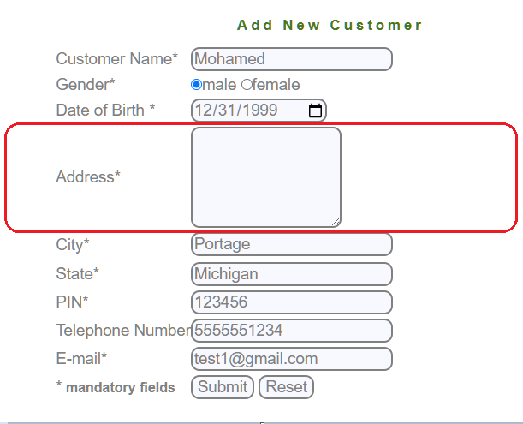 | Screenshot / Video |  | Screenshot / Video |  | Screenshot / Video |  | Screenshot / Video | 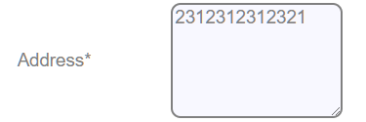 | Screenshot / Video |  | Screenshot / Video |  | Screenshot / Video |  | Screenshot / Video |  | Screenshot / Video |  | Screenshot / Video |  | Screenshot / Video |  | Screenshot / Video | 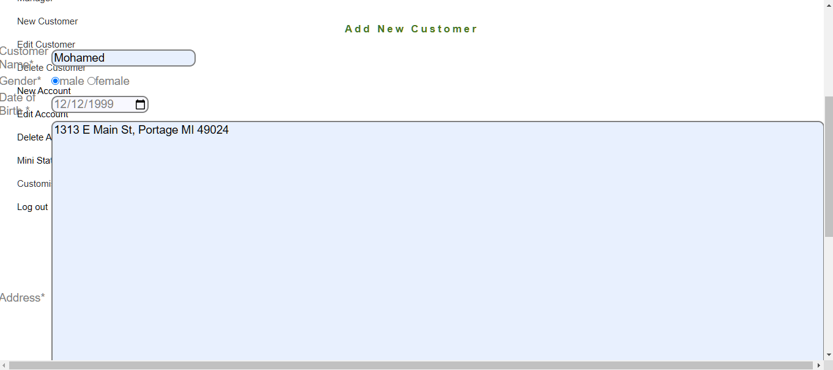 | Screenshot / Video | 
Rate | 2024-04-04 | Rate | 2024-04-04 | Rate | 2024-02-02 | Rate | 2024-02-02 | Rate | 2024-02-02 | Rate | 2024-02-02 | Rate | 2024-02-02 | Rate | 2024-01-01 | Rate | 2024-01-01 | Rate | 2024-02-02 | Rate | 2024-02-02 | Rate | 2024-02-02 | Rate | 2024-02-02 | Rate | 2024-01-01 | Rate | 2024-07-07 | Rate | 2024-02-02 | Rate | 2024-02-02
Priority | A | Priority | A | Priority | C | Priority | A | Priority | A | Priority | A | Priority | A | Priority | A | Priority | C | Priority | C | Priority | A | Priority | A | Priority | A | Priority | A | Priority | A | Priority | A | Priority | A
Status | Closed | Status | Closed | Status | Closed | Status | Closed | Status | Closed | Status | Closed | Status | Closed | Status | Open | Status | Closed | Status | Closed | Status | Closed | Status | Closed | Status | Open | Status | Closed | Status | Open | Status | Open | Status | Closed

Bug Report Edit Customer Module
Defect Report |  | Defect Report |  | Defect Report |  | Defect Report |  | Defect Report |  | Defect Report
Release | V1.0 | Release | V1.0 | Release | V1.0 | Release | V1.0 | Release | V1.0 | Release | V1.0
Title | Verify Submit button | Title | Verify customer ID | Title | Pressing the home button | Title | Verify customer ID | Title | Verify customer ID | Title | Pressing the home button
Description | Pressing on the submit button after entering correct customer ID formate should take to the edit customer form page | Description | Customer ID can't have first character blank | Description | Pressing the home button at the bottom right corner should take you to the home page | Description | A customer ID that includes special character in between should display an error message | Description | Customer ID can't space between it | Description | Pressing the home button at the bottom right corner should take you to the home page
Steps | 1-Enter a correct Customer ID formate that is in the database 2-Press on the submit button | Steps | 1-Enter customer ID with first character blank 2-Press on the submit button | Steps | 1-Login as a manager 2-Press on the "Home" button at the bottom right corner | Steps | 1-Enter customer ID that includes special characters in between 2-Press on the submit button | Steps | 1-Enter customer ID with space between it 2-Press on the submit button | Steps | 1-Login as a manager 2-Press on the "Home" button at the bottom right corner
Expected Results | should take to the edit customer form page | Expected Results | Should display error message | Expected Results | should take you to the home page | Expected Results | Should display error message | Expected Results | Should display error message | Expected Results | should take you to the home page
Actual Result | It displayed an error message that says "Connection failed: Access denied for user 'root'@'localhost' (using password: NO)" | Actual Result | It didn't display any error message and went through | Actual Result | Displays error message that says "Not Found The requested URL was not found on this server. Additionally, a 404 Not Found error was encountered while trying to use an ErrorDocument to handle the request." | Actual Result | Displayed error it didn't display any error message and went throught | Actual Result | It didn't display any error message and went through | Actual Result | Displays error message that says "Not Found The requested URL was not found on this server. Additionally, a 404 Not Found error was encountered while trying to use an ErrorDocument to handle the request."
Environment | Chrome V125.0.6422.144 | Environment | Chrome V125.0.6422.144 | Environment | Chrome V125.0.6422.144 | Environment | Chrome V125.0.6422.144 | Environment | Chrome V125.0.6422.144 | Environment | Chrome V125.0.6422.144
Screenshot / Video |  | Screenshot / Video |  | Screenshot / Video |  | Screenshot / Video |  | Screenshot / Video |  | Screenshot / Video
Rate | 2024-02-02 | Rate | 2024-01-01 | Rate | 2024-02-02 | Rate | 2024-02-02 | Rate | 2024-01-01 | Rate | 2024-02-02
Priority | A | Priority | A | Priority | A | Priority | A | Priority | A | Priority | A
Status | Closed | Status | Closed | Status | Closed | Status | Closed | Status | Closed | Status | Closed

Bug report New account module
Defect Report |  | Defect Report |  | Defect Report |  | Defect Report |  | Defect Report |  | Defect Report |  | Defect Report |  | Defect Report |  | Defect Report |  | Defect Report |  | Defect Report |  | Defect Report |  | Defect Report |  | Defect Report |  | Defect Report |  | Defect Report |  | Defect Report

Release | V1.0 | Release | V1.0 | Release | V1.0 | Release | V1.0 | Release | V1.0 | Release | V1.0 | Release | V1.0 | Release | V1.0 | Release | V1.0 | Release | V1.0 | Release | V1.0 | Release | V1.0 | Release | V1.0 | Release | V1.0 | Release | V1.0 | Release | V1.0 | Release | V1.0
Title | Verify the Customer Id | Title | Verify the Account Type | Title | Verify the Customer Id | Title | Verify the Customer Id | Title | Verify the Customer Id | Title | Verify the Customer Id | Title | Verify the Customer Id | Title | Verify the Customer Id | Title | Verify the Customer Id | Title | Verify the Customer Id | Title | Verify the Customer Id | Title | Verify the Customer Id | Title | Verify the Customer Id | Title | Verify the Customer Id | Title | Verify the Customer Id | Title | Verify the Customer Id | Title | Pressing the home button
Description | Entering a valid customer Id formate and choosing the account type and entering a valid intial deposit formate should go through without errors | Description | Entering a valid customer Id formate and choosing the account type to be savings and entering a valid intial deposit formate should go through without errors | Description | Entering a blank customer Id shouldn't go through | Description | Entering a customer Id with special characters only shouldn't go through | Description | Entering a customer Id with characters only shouldn't go through | Description | Entering a customer Id with first character blank shouldn't go through | Description | Entering a valid customer Id with special character in itshouldn't go through | Description | Entering a valid customer Id with character in it shouldn't go through | Description | Customer ID can't have blank space in between | Description | Entering initial deposite less than 500 shouldn't go through | Description | Entering initial deposite equal to 500 should go through | Description | Intial deposite cannot be blank | Description | Intial deposite cannot have a special character | Description | Intial deposite cannot have a character | Description | Intial deposite cannot have first character blank | Description | Pressing on the submit button with correct information entered should go to the next page without issues | Description | Pressing the home button at the bottom right corner should take you to the home page
Steps | 1-Enter a correct customer Id formate 2-Choose an account type to be saving 3-Enter intial deposite bigger than 500 4-Press on the submit button | Steps | 1-Enter a correct customer Id formate 2-Choose an account type to be current 3-Enter intial deposite bigger than 500 4-Press on the submit button | Steps | 1-Enter a blank customer Id 2-Choose an account type to be current 3-Enter intial deposite bigger than 500 4-Press on the submit button | Steps | 1-Enter customer Id with special character only 2-Choose an account type to be current 3-Enter intial deposite bigger than 500 4-Press on the submit button | Steps | 1-Enter customer Id with character only 2-Choose an account type to be current 3-Enter intial deposite bigger than 500 4-Press on the submit button | Steps | 1-Enter customer Id with first character blank 2-Choose an account type to be current 3-Enter intial deposite bigger than 500 4-Press on the submit button | Steps | 1-Enter a valid customer Id with special character in it 2-Choose an account type to be current 3-3-Enter intial deposite bigger than 500 4-Press on the submit button | Steps | 1-Enter a valid customer Id with character in it 2-Choose an account type to be current 3-Enter intial deposite bigger than 500 4-Press on the submit button | Steps | 1-Enter a customer Id with blank space in between 2-Choose an account type to be saving 3-Enter intial deposite bigger than 500 4-Press on the submit button | Steps | 1-Enter a correct customer Id formate 2-Choose an account type to be current 3-Enter intial deposite less than 500 4-Press on the submit button | Steps | 1-Enter a correct customer Id formate 2-Choose an account type to be current 3-Enter intial deposite equal to 500 4-Press on the submit button | Steps | 1-Enter a correct customer Id formate 2-Choose an account type to be current 3-Enter a blank intial deposite 4-Press on the submit button | Steps | 1-Enter a correct customer Id formate 2-Choose an account type to be current 3-Enter intial deposite with special character 4-Press on the submit button | Steps | 1-Enter a correct customer Id formate 2-Choose an account type to be current 3-Enter intial deposite with character 4-Press on the submit button | Steps | 1-Enter a correct customer Id formate 2-Choose an account type to be current 3-Enter intial deposite with first character blank 4-Press on the submit button | Steps | 1-Enter a correct customer Id formate 2-Choose an account type to be saving 3-Enter intial deposite bigger than 500 4-Press on the submit button | Steps | 1-Login as a manager 2-Press on the "Home" button at the bottom right corner
Expected Results | Should go through to the next page without any issues | Expected Results | Should go through to the next page without any issues | Expected Results | Should display an error message | Expected Results | Should display an error message | Expected Results | Should display an error message | Expected Results | Should display an error message | Expected Results | Should display an error message | Expected Results | Should display an error message | Expected Results | Should display an error message | Expected Results | Should display an error message | Expected Results | Should display an error message | Expected Results | Should display an error message | Expected Results | Should display an error message | Expected Results | Should display an error message | Expected Results | Should display an error message | Expected Results | Should display an error message | Expected Results | should take you to the home page
Actual Result | It displayed an error message "Connection failed: Access denied for user 'root'@'localhost' (using password: NO)" | Actual Result | It displayed an error message "Connection failed: Access denied for user 'root'@'localhost' (using password: NO)" | Actual Result | It didn't display any error message and went through | Actual Result | It didn't display any error message and went through | Actual Result | It didn't display any error message and went through | Actual Result | It didn't display any error message and went through | Actual Result | It didn't display any error message and went through | Actual Result | It didn't display any error message and went through | Actual Result | It didn't display any error message and went through | Actual Result | It didn't display any error message and went through | Actual Result | It didn't display any error message and went through | Actual Result | It didn't display any error message and went through | Actual Result | It didn't display any error message and went through | Actual Result | It didn't display any error message and went through | Actual Result | It didn't display any error message and went through | Actual Result | It didn't display any error message and went through | Actual Result | Displays error message that says "Not Found The requested URL was not found on this server. Additionally, a 404 Not Found error was encountered while trying to use an ErrorDocument to handle the request."
Environment | Chrome V125.0.6422.144 | Environment | Chrome V125.0.6422.144 | Environment | Chrome V125.0.6422.144 | Environment | Chrome V125.0.6422.144 | Environment | Chrome V125.0.6422.144 | Environment | Chrome V125.0.6422.144 | Environment | Chrome V125.0.6422.144 | Environment | Chrome V125.0.6422.144 | Environment | Chrome V125.0.6422.144 | Environment | Chrome V125.0.6422.144 | Environment | Chrome V125.0.6422.144 | Environment | Chrome V125.0.6422.144 | Environment | Chrome V125.0.6422.144 | Environment | Chrome V125.0.6422.144 | Environment | Chrome V125.0.6422.144 | Environment | Chrome V125.0.6422.144 | Environment | Chrome V125.0.6422.144
Screenshot / Video |  | Screenshot / Video |  | Screenshot / Video |  | Screenshot / Video |  | Screenshot / Video |  | Screenshot / Video |  | Screenshot / Video |  | Screenshot / Video |  | Screenshot / Video |  | Screenshot / Video |  | Screenshot / Video |  | Screenshot / Video |  | Screenshot / Video |  | Screenshot / Video |  | Screenshot / Video |  | Screenshot / Video |  | Screenshot / Video
Rate | 2024-02-02 | Rate | 2024-02-02 | Rate | 2024-02-02 | Rate | 2024-02-02 | Rate | 2024-02-02 | Rate | 2024-01-01 | Rate | 2024-01-01 | Rate | 2024-01-01 | Rate | 2024-01-01 | Rate | 2024-01-01 | Rate | 2024-01-01 | Rate | 2024-01-01 | Rate | 2024-01-01 | Rate | 2024-01-01 | Rate | 2024-01-01 | Rate | 2024-01-01 | Rate | 2024-02-02
Priority | A | Priority | A | Priority | A | Priority | A | Priority | A | Priority | A | Priority | A | Priority | A | Priority | A | Priority | A | Priority | A | Priority | A | Priority | A | Priority | A | Priority | A | Priority | A | Priority | A
Status | Closed | Status | Closed | Status | Closed | Status | Closed | Status | Closed | Status | Closed | Status | Closed | Status | Closed | Status | Closed | Status | Closed | Status | Closed | Status | Closed | Status | Closed | Status | Closed | Status | Closed | Status | Closed | Status | Closed

Bug Report Edit account
Defect Report |  | Defect Report |  | Defect Report |  | Defect Report

Release | V1.0 | Release | V1.0 | Release | V1.0 | Release | V1.0
Title | Verify Submit button | Title | Verify Account number | Title | Pressing the home button | Title | Verify Submit button
Description | Pressing on the submit button after entering correct Account number formate should delete the customer from the database | Description | Account number can't have first character blank | Description | Pressing the home button at the bottom right corner should take you to the home page | Description | Pressing on the submit button after entering correct Account number formate should delete the customer from the database
Steps | 1-Enter a correct Account number formate that is in the database 2-Press on the submit button | Steps | 1-Enter Account number with first character blank 2-Press on the submit button | Steps | 1-Login as a manager 2-Press on the "Home" button at the bottom right corner | Steps | 1-Enter a correct Account number formate that is in the database 2-Press on the submit button
Expected Results | should take you to the edit account form | Expected Results | Should display error message | Expected Results | should take you to the home page | Expected Results | should take you to the edit account form
Actual Result | It displayed an error message that says "Connection failed: Access denied for user 'root'@'localhost' (using password: NO)" | Actual Result | It didn't display any error message and went through | Actual Result | Displays error message that says "Not Found The requested URL was not found on this server. Additionally, a 404 Not Found error was encountered while trying to use an ErrorDocument to handle the request." | Actual Result | It displayed an error message that says "This page isn’t workingdemo.guru99.com is currently unable to handle this request. HTTP ERROR 500"
Environment | Chrome V125.0.6422.144 | Environment | Chrome V125.0.6422.144 | Environment | Chrome V125.0.6422.144 | Environment | Chrome V125.0.6422.144
Screenshot / Video |  | Screenshot / Video |  | Screenshot / Video |  | 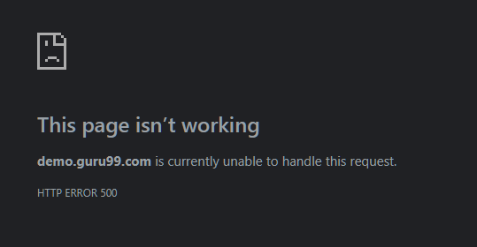 Screenshot / Video
Rate | 2024-01-01 | Rate | 2024-01-01 | Rate | 2024-02-02 | Rate | 2024-04-04
Priority | A | Priority | A | Priority | A | Priority | A
Status | Closed | Status | Open | Status | Closed | Status | Open

Bug report Delete Account
Defect Report |  | Defect Report |  | Defect Report |  | Defect Report

Release | V1.0 | Release | V1.0 | Release | V1.0 | Release | V1.0
Title | Verify Submit button | Title | Verify Account number | Title | Pressing the home button | Title | Verify Submit button
Description | Pressing on the submit button after entering correct Account number formate should delete the customer from the database | Description | Account number can't have first character blank | Description | Pressing the home button at the bottom right corner should take you to the home page | Description | Pressing on the submit button after entering correct Account number formate should delete the customer from the database
Steps | 1-Enter a correct Account number formate that is in the database 2-Press on the submit button | Steps | 1-Enter Account number with first character blank 2-Press on the submit button | Steps | 1-Login as a manager 2-Press on the "Home" button at the bottom right corner | Steps | 1-Enter a correct Account number formate that is in the database 2-Press on the submit button
Expected Results | should delete the account | Expected Results | Should display error message | Expected Results | should take you to the home page | Expected Results | should take you to the edit account form
Actual Result | It displayed an error message that says "Connection failed: Access denied for user 'root'@'localhost' (using password: NO)" | Actual Result | It didn't display any error message and went through | Actual Result | Displays error message that says "Not Found The requested URL was not found on this server. Additionally, a 404 Not Found error was encountered while trying to use an ErrorDocument to handle the request." | Actual Result | It displayed an error message that says "This page isn’t workingdemo.guru99.com is currently unable to handle this request. HTTP ERROR 500"
Environment | Chrome V125.0.6422.144 | Environment | Chrome V125.0.6422.144 | Environment | Chrome V125.0.6422.144 | Environment | Chrome V125.0.6422.144
Screenshot / Video |  | Screenshot / Video |  | Screenshot / Video |  | Screenshot / Video | 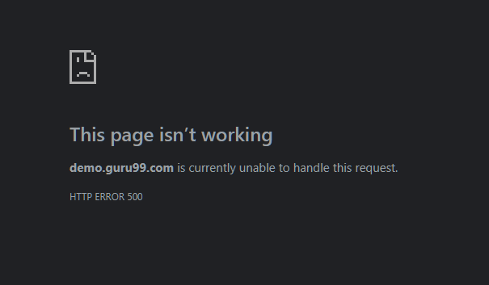
Rate | 2024-01-01 | Rate | 2024-01-01 | Rate | 2024-02-02 | Rate | 2024-02-02
Priority | A | Priority | A | Priority | A | Priority | A
Status | Closed | Status | Open | Status | Closed | Status | Open

Bug Report Mini Statement
Defect Report |  | Defect Report |  | Defect Report |  | Defect Report

Release | V1.0 | Release | V1.0 | Release | V1.0 | Release | V1.0
Title | Verify Submit button | Title | Verify Account number | Title | Pressing the home button | Title | Verify Submit button (As Manager)
Description | Clicking on the submit button after entering correct account number formate should take to the edit account form page | Description | Account number can't have first character blank | Description | Pressing the home button at the bottom right corner should take you to the home page | Description | Clicking on the submit button after entering correct account number formate should take to the mini statement page
Steps | 1-Enter a correct account number formate that is in the database of any customer 2-Click on the submit button | Steps | 1-Enter Account number with first character blank 2-Press on the submit button | Steps | 1-Login as a manager 2-Press on the "Home" button at the bottom right corner | Steps | 1-Enter a correct account number formate that is in the database of any customer 2-Click on the submit button
Expected Results | should show mini statement of any Customer account | Expected Results | Should display error message | Expected Results | should take you to the home page | Expected Results | should show mini statement of any Customer account
Actual Result | It displayed an error message that says "Connection failed: Access denied for user 'root'@'localhost' (using password: NO)" | Actual Result | It didn't display any error message and went through | Actual Result | Displays error message that says "Not Found The requested URL was not found on this server. Additionally, a 404 Not Found error was encountered while trying to use an ErrorDocument to handle the request." | Actual Result | Take you to a white blank page
Environment | Chrome V125.0.6422.144 | Environment | Chrome V125.0.6422.144 | Environment | Chrome V125.0.6422.144 | Environment | Chrome V125.0.6422.144
Screenshot / Video |  | Screenshot / Video |  | Screenshot / Video |  | Screenshot / Video | 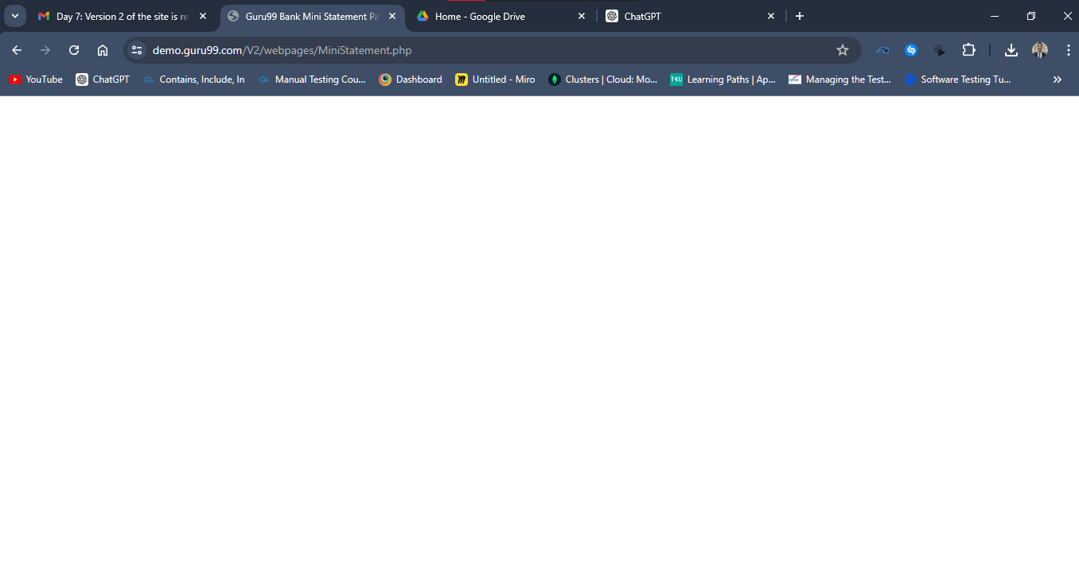
Rate | 2024-01-01 | Rate | 2024-01-01 | Rate | 2024-02-02 | Rate | 2024-03-03
Priority | A | Priority | B | Priority | B | Priority | A
Status | Closed | Status | Closed | Status | Closed | Status | Open

Bug Report Customized Statement
Defect Report |  | Defect Report |  | Defect Report |  | Defect Report |  | Defect Report |  | Defect Report |  | Defect Report |  | Defect Report |  | Defect Report |  | Defect Report |  | Defect Report |  | Defect Report |  | Defect Report |  | Defect Report |  | Defect Report |  | Defect Report |  | Defect Report

Release | V1.0 | Release | V1.0 | Release | V1.0 | Release | V1.0 | Release | V1.0 | Release | V1.0 | Release | V1.0 | Release | V1.0 | Release | V1.0 | Release | V1.0 | Release | V1.0 | Release | V1.0 | Release | V1.0 | Release | V1.0 | Release | V1.0 | Release | V1.0 | Release | V1.0
Title | Verify Submit button | Title | Verify Minimum Transaction Value (Manager or Customer) | Title | Verify Minimum Transaction Value (Manager or Customer) | Title | Verify Minimum Transaction Value (Manager or Customer) | Title | Verify Minimum Transaction Value (Manager or Customer) | Title | Verify Minimum Transaction Value (Manager or Customer) | Title | Verify Minimum Transaction Value (Manager or Customer) | Title | Verify Number of Transactions (Manager or Customer) | Title | Verify Number of Transactions (Manager or Customer) | Title | Verify Number of Transactions (Manager or Customer) | Title | Verify Number of Transactions (Manager or Customer) | Title | Verify Number of Transactions (Manager or Customer) | Title | Verify Number of Transactions (Manager or Customer) | Title | Veify From, To Date (Manager or Customer) | Title | Veify From, To Date (Manager or Customer) | Title | Pressing the home button | Title | Verify Submit button (As Manager)
Description | Clicking on the submit button after entering correct account number formate should take to the edit account form page | Description | Minimum Transaction Value field can't have special characters only | Description | Minimum Transaction Value field can't have special characters in between | Description | Minimum Transaction Value field can't have characters only | Description | Minimum Transaction Value can't have characters in between | Description | Minimum Transaction Value can't have first character blank | Description | Minimum Transaction Value can't have empty spaces in between | Description | Number of Transactions field can't have special characters only | Description | Number of Transactions can't have special characters in between | Description | Number of Transactions field can't have characters only | Description | Number of Transactions can't have characters in between | Description | Number of Transactions can't have first character blank | Description | Number of Transactions can't have empty spaces in between | Description | From date can't be bigger than to Date | Description | year can't be bigger than 4 digits | Description | Pressing the home button at the bottom right corner should take you to the home page | Description | Clicking on the submit button after entering all field in the page with correct formate
Steps | 1-Enter a correct account number formate that is in the database of any customer 2-Click on the submit button | Steps | 1-Enter a correct account number formate that is in the database 2-Choose from date that is lower than to date 3-Choose to date that is higher than from date 4-Enter Minimum Transaction Value field with special character only 5-Enter number of transactions 6-Click on the submit button | Steps | 1-Enter a correct account number formate that is in the database 2-Choose from date that is lower than to date 3-Choose to date that is higher than from date 4-Enter Minimum Transaction Value that includes special character. 5-Enter number of transactions 6-Click on the submit button | Steps | 1-Enter a correct account number formate that is in the database 2-Choose from date that is lower than to date 3-Choose to date that is higher than from date 4-Enter Minimum Transaction Value with characters only 5-Enter number of transactions 6-Click on the submit button | Steps | 1-Enter a correct account number formate that is in the database 2-Choose from date that is lower than to date 3-Choose to date that is higher than from date 4-Enter Minimum Transaction Value 5-Enter number of transactions 6-Click on the submit button | Steps | 1-Enter a correct account number formate that is in the database 2-Choose from date that is lower than to date 3-Choose to date that is higher than from date 4-Enter Minimum Transaction Value with first character blank 5-Enter number of transactions 6-Click on the submit button | Steps | 1-Enter a correct account number formate that is in the database 2-Choose from date that is lower than to date 3-Choose to date that is higher than from date 4-Enter Minimum Transaction Value with spaces in between 5-Enter number of transactions 6-Click on the submit button | Steps | 1-Enter a correct account number formate that is in the database 2-Choose from date that is lower than to date 3-Choose to date that is higher than from date 4-Enter Minimum Transaction Value 5-Enter number of transactions with special character only 6-Click on the submit button | Steps | 1-Enter a correct account number formate that is in the database 2-Choose from date that is lower than to date 3-Choose to date that is higher than from date 4-Enter Minimum Transaction Value 5-Enter number of transactions that includes special character in between 6-Click on the submit button | Steps | 1-Enter a correct account number formate that is in the database 2-Choose from date that is lower than to date 3-Choose to date that is higher than from date 4-Enter Minimum Transaction Value 5-Enter number of transactions with characters only 6-Click on the submit button | Steps | 1-Enter a correct account number formate that is in the database 2-Choose from date that is lower than to date 3-Choose to date that is higher than from date 4-Enter Minimum Transaction Value 5-Enter number of transactions that includes characters in between 6-Click on the submit button | Steps | 1-Enter a correct account number formate that is in the database 2-Choose from date that is lower than to date 3-Choose to date that is higher than from date 4-Enter Minimum Transaction Value 5-Enter number of transactions that has first character blank 6-Click on the submit button | Steps | 1-Enter a correct account number formate that is in the database 2-Choose from date that is lower than to date 3-Choose to date that is higher than from date 4-Enter Minimum Transaction Value 5-Enter number of transactions that includes spaces in between 6-Click on the submit button | Steps | 1-Enter a correct account number formate that is in the database 2-Choose From date bigger than To date 3-Enter Minimum Transaction Value 4-Enter number of transactions that includes characters in between 5-Click on the submit button | Steps | 1-Enter a correct account number formate that is in the database 2-Choose From year bigger 4 digits 3-Choose from year bigger than 4 digits 4-Enter Minimum Transaction Value 5-Enter number of transactions that includes characters in between 6-Click on the submit button | Steps | 1-Login as a manager 2-Press on the "Home" button at the bottom right corner | Steps | 1-Enter a correct account number formate that is in the database of any customer 2-Choose from date that is lower than to date 3-Choose to date that is higher than from date 4-Enter Minimum Transaction Value 5-Enter number of transactions 6-Click on the submit button
Expected Results | should show mini statement of any Customer account | Expected Results | Should display error message | Expected Results | Should display error message | Expected Results | Should display error message | Expected Results | Should display error message | Expected Results | Should display error message | Expected Results | Should display error message | Expected Results | Should display error message | Expected Results | Should display error message | Expected Results | Should display error message | Expected Results | Should display error message | Expected Results | Should display error message | Expected Results | Should display error message | Expected Results | Should display error message | Expected Results | Should display error message | Expected Results | should take you to the home page | Expected Results | Should display customized statement of all customers
Actual Result | It displayed an error message that says "Connection failed: Access denied for user 'root'@'localhost' (using password: NO)" | Actual Result | It didn't display any error message and went through | Actual Result | It didn't display any error message and went through | Actual Result | It didn't display any error message and went through | Actual Result | It didn't display any error message and went through | Actual Result | It didn't display any error message and went through | Actual Result | It didn't display any error message and went through | Actual Result | It didn't display any error message and went through | Actual Result | It didn't display any error message and went through | Actual Result | It didn't display any error message and went through | Actual Result | It didn't display any error message and went through | Actual Result | It didn't display any error message and went through | Actual Result | It didn't display any error message and went through | Actual Result | It didn't display any error message and went through | Actual Result | It didn't display any error message and went through | Actual Result | Displays error message that says "Not Found The requested URL was not found on this server. Additionally, a 404 Not Found error was encountered while trying to use an ErrorDocument to handle the request." | Actual Result | Displays blank page
Environment | Chrome V125.0.6422.144 | Environment | Chrome V125.0.6422.144 | Environment | Chrome V125.0.6422.144 | Environment | Chrome V125.0.6422.144 | Environment | Chrome V125.0.6422.144 | Environment | Chrome V125.0.6422.144 | Environment | Chrome V125.0.6422.144 | Environment | Chrome V125.0.6422.144 | Environment | Chrome V125.0.6422.144 | Environment | Chrome V125.0.6422.144 | Environment | Chrome V125.0.6422.144 | Environment | Chrome V125.0.6422.144 | Environment | Chrome V125.0.6422.144 | Environment | Chrome V125.0.6422.144 | Environment | Chrome V125.0.6422.144 | Environment | Chrome V125.0.6422.144 | Environment | Chrome V125.0.6422.144
Screenshot / Video |  | Screenshot / Video | 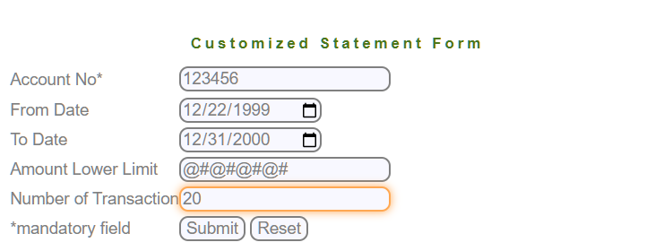 | Screenshot / Video | 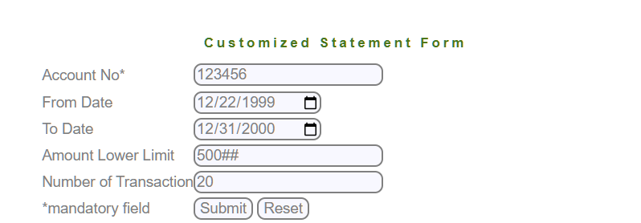 | Screenshot / Video | 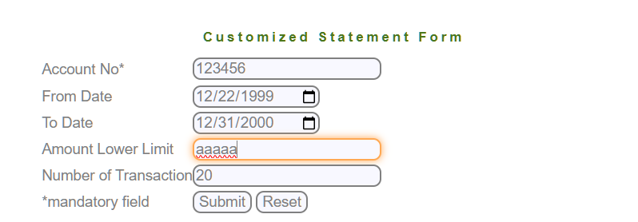 | Screenshot / Video | 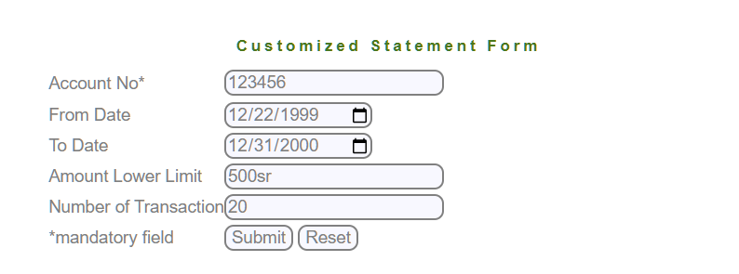 | Screenshot / Video | 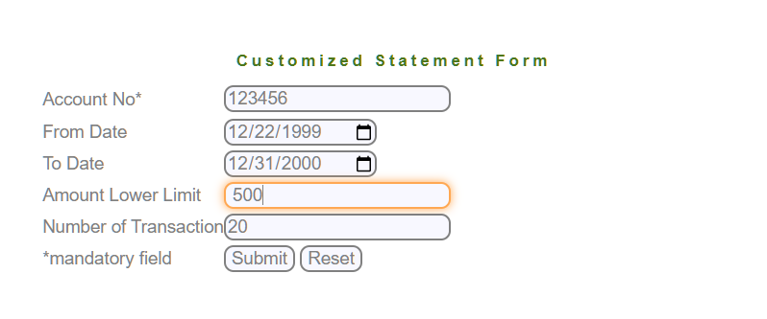 | Screenshot / Video |  | Screenshot / Video | 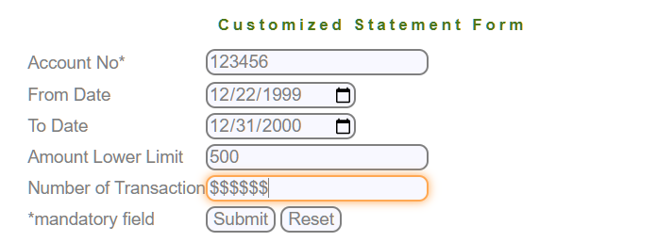 | Screenshot / Video | 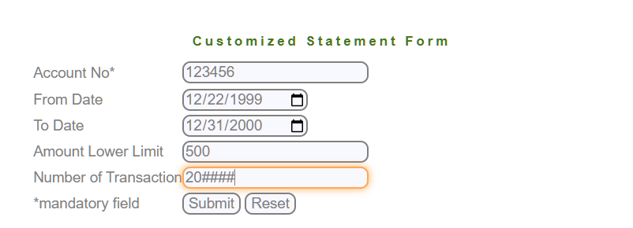 | Screenshot / Video | 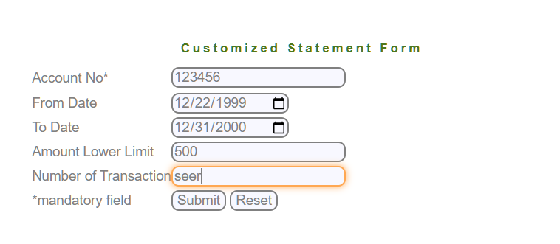 | Screenshot / Video | 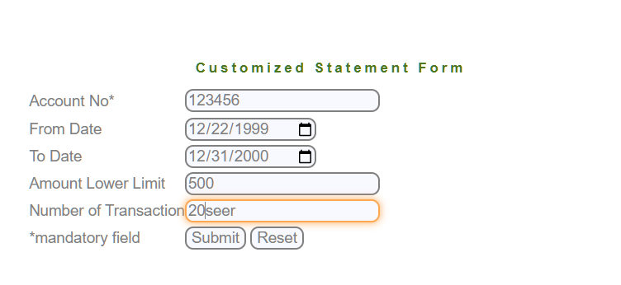 | Screenshot / Video | 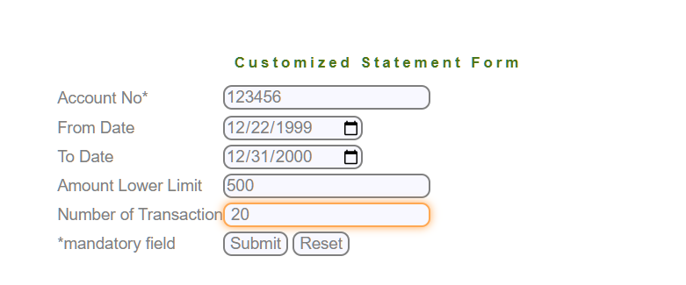 | Screenshot / Video | 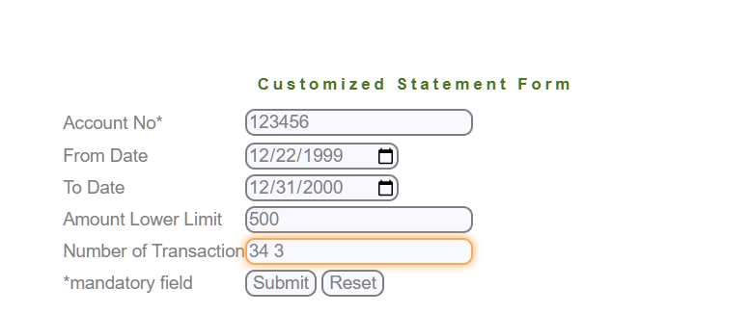 | Screenshot / Video | 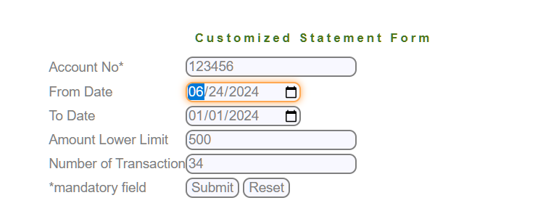 | Screenshot / Video |  | Screenshot / Video |  | Screenshot / Video | 
Rate | 2024-01-01 | Rate | 2024-01-01 | Rate | 2024-01-01 | Rate | 2024-01-01 | Rate | 2024-01-01 | Rate | 2024-01-01 | Rate | 2024-01-01 | Rate | 2024-01-01 | Rate | 2024-01-01 | Rate | 2024-01-01 | Rate | 2024-01-01 | Rate | 2024-01-01 | Rate | 2024-01-01 | Rate | 2024-01-01 | Rate | 2024-01-01 | Rate | 2024-02-02 | Rate | 2024-01-01
Priority | A | Priority | A | Priority | A | Priority | A | Priority | A | Priority | A | Priority | A | Priority | A | Priority | A | Priority | A | Priority | A | Priority | A | Priority | A | Priority | A | Priority | A | Priority | A | Priority | A
Status | Closed | Status | Closed | Status | Closed | Status | Closed | Status | Closed | Status | Open | Status | Closed | Status | Closed | Status | Closed | Status | Closed | Status | Closed | Status | Open | Status | Closed | Status | Open | Status | Open | Status | Closed | Status | Open

